Sheet1
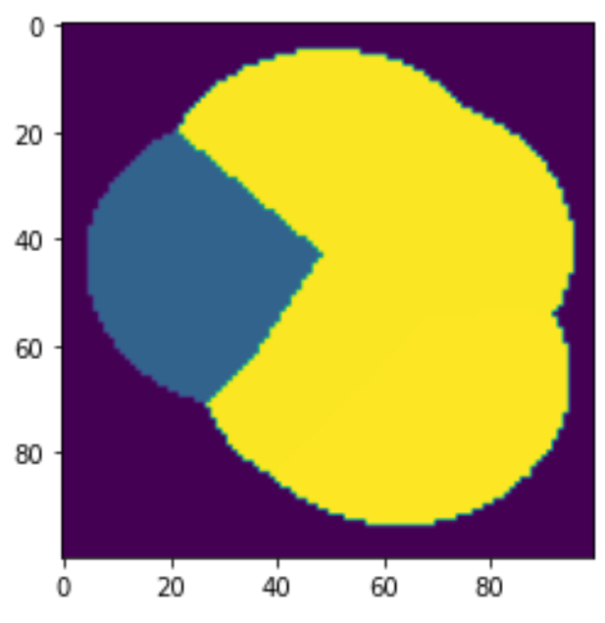
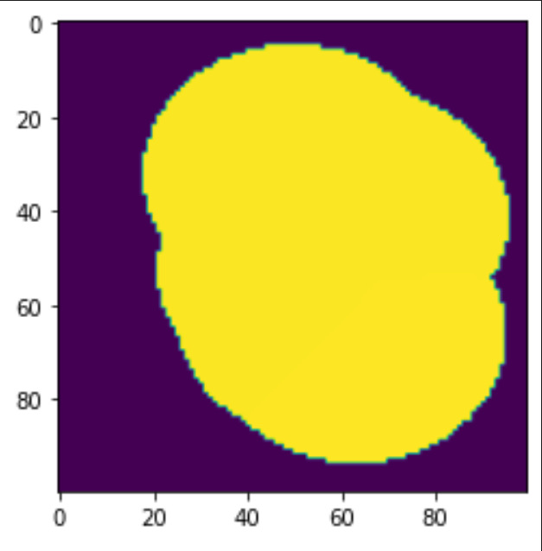
10000 | cells
2.797 sq miles
0.0002797 grid cell |  |  |  |  |  |  |  | Geography | New
 | Baseline | New | Change | Baseline | Base | Base | Change | Modified | System | New | Station
no service | 4532 | 3975 | -12.3% | Fraction | Rate | Occur | Fraction | Occur | Rate | Fraction
service | 5468 | 6025 | 10.2%
10000 | 0 | 1387 | N/A |  | 27 |  |  |  | 29.750365764 | 0.20376574214 | 10000
31104 | 549 | 530 | -3.5% | 0.186272 | 27 | 5.029344 | -0.03461 | 4.86 | 29.750365764 | 0.163200903 | 31104
31110 | 1639 | 1221 | -25.5% | 0.254794 | 27 | 6.879438 | -0.25503 | 5.12 | 29.750365764 | 0.1722651243 | 31110
31113 | 628 | 235 | -62.6% | 0.081866 | 27 | 2.210382 | -0.62580 | 0.83 | 29.750365764 | 0.027802461263 | 31113
31114 | 189 | 189 | 0.0% | 0.177496 | 27 | 4.792392 | 0.00000 | 4.79 | 29.750365764 | 0.16108682622 | 31114
31116 | 986 | 986 | 0.0% | 0.169502 | 27 | 4.576554 | 0.00000 | 4.58 | 29.750365764 | 0.1538318566 | 31116
31296 | 1477 | 1477 | 0.0% | 0.130072 | 27 | 3.511944 | 0.00000 | 3.51 | 29.750365764 | 0.11804708647 | 31296

